How to use this Audit Tool


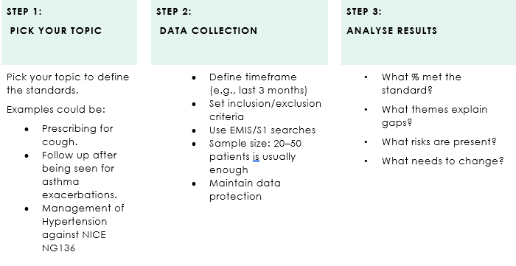

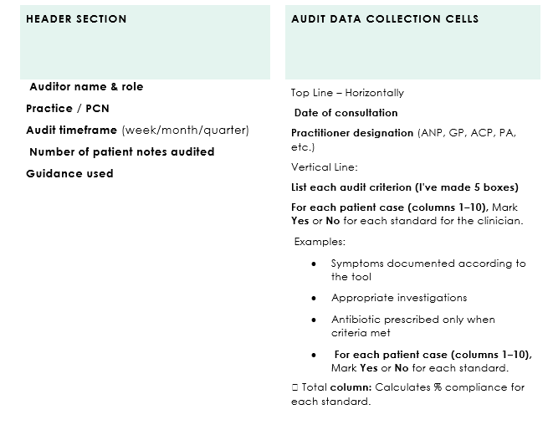

Copy of the Standard EXAMPLE
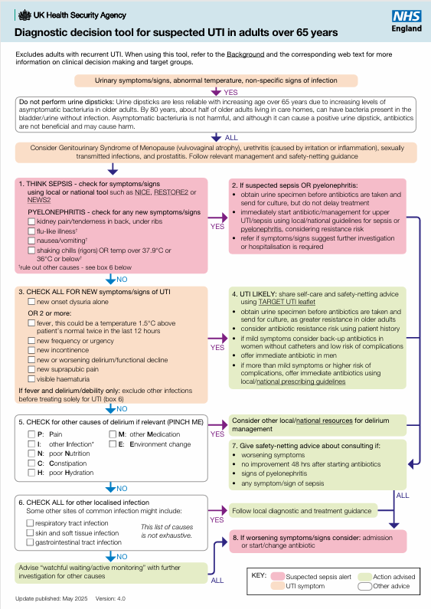
Diagnostic decision tool for suspected UTI in adults over 65 years

